Sheet1
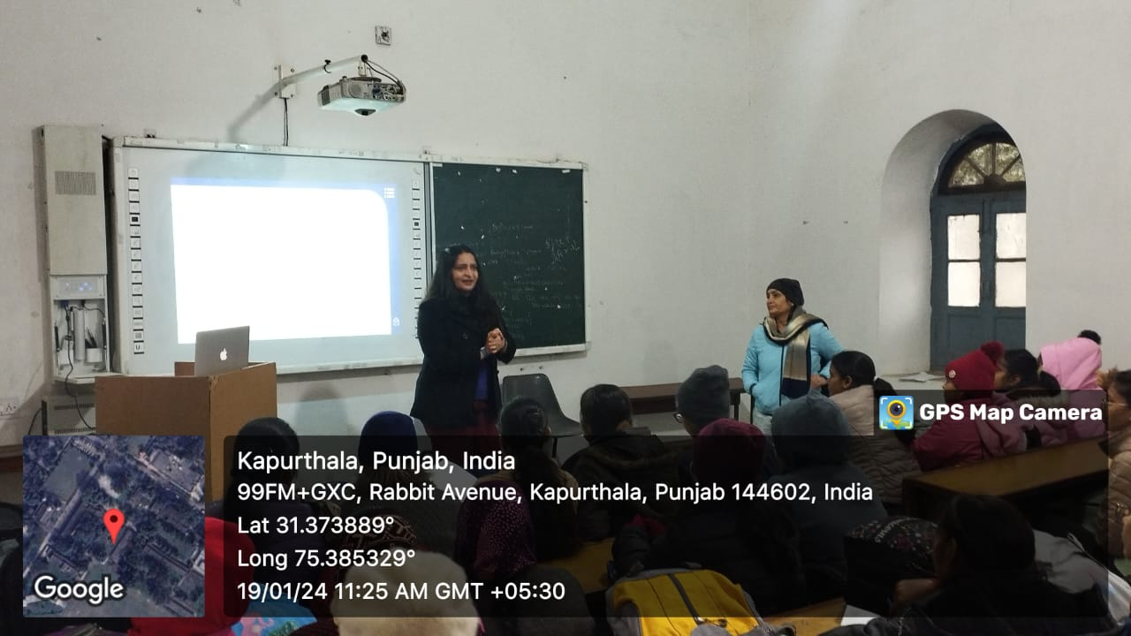
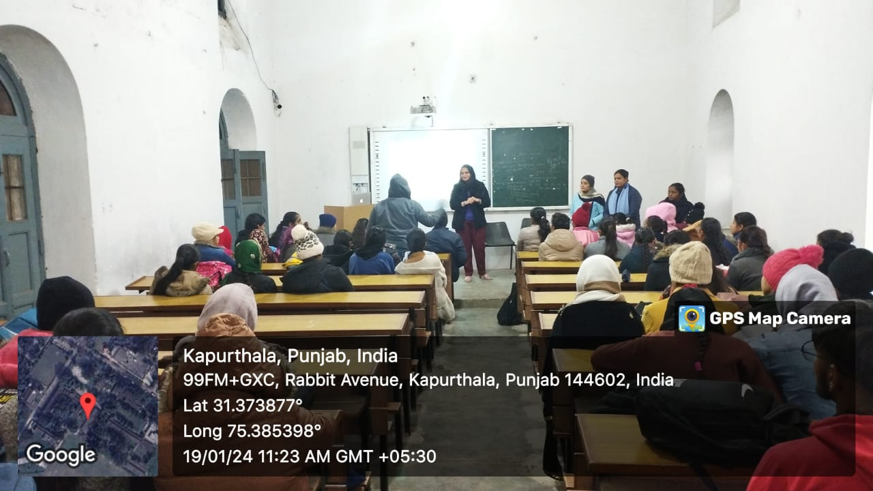
Institution has created an ecosystem for innovations, Indian Knowledge System (IKS),including awareness about IPR, establishment of IPR cell, Incubation centre and other initiatives for the creation and transfer of knowledge/technology and the outcomes of the same are evident
S.No. | Activity Name | Type of Activity | Pictures
1 | Orientation Program by British Council | Innovation

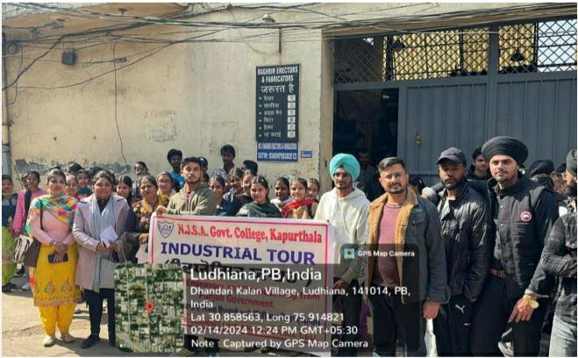
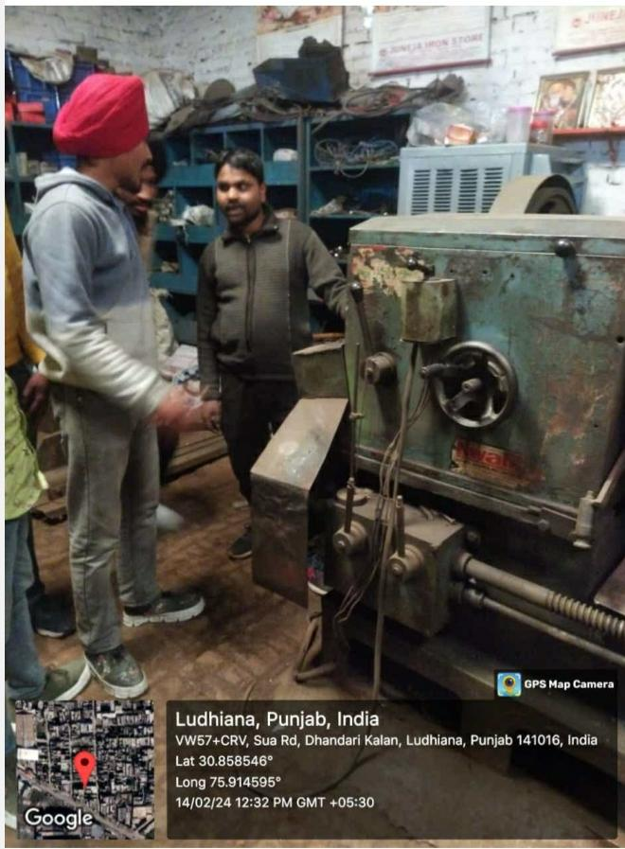
2 | Industrial visit to Raghbir Erectors and Fabricators, Ludhiana | Innovation

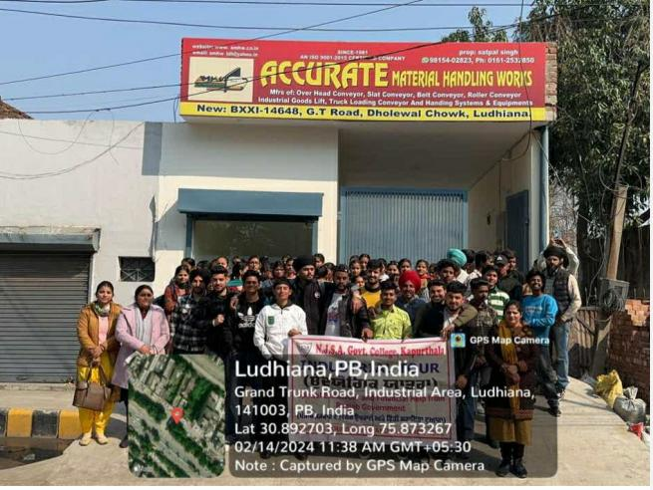
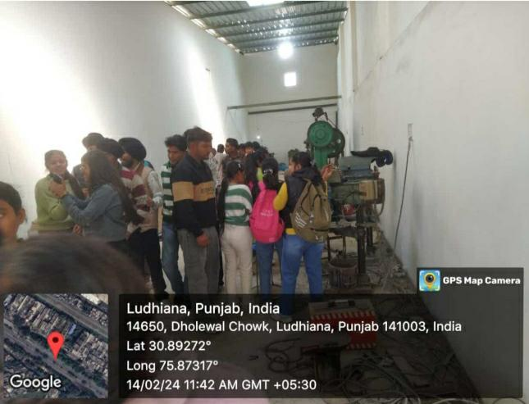
3 | Industrial visit to Accurate Material handling works Ludhiana | Innovation

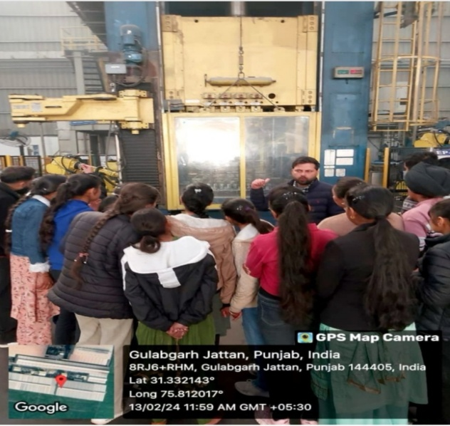
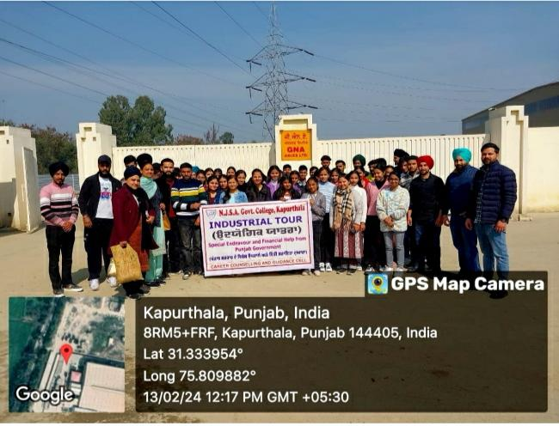
4 | Industrial Visit to GNA Axles, Phagwara | Innovation

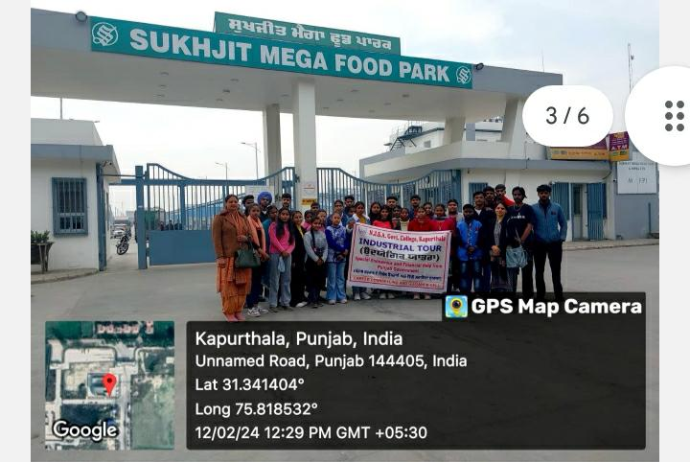

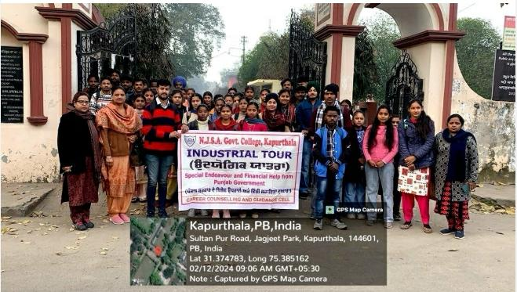
5 | Industrial visit to Sukhjit Mega Food Park, Kapurthala | Innovation

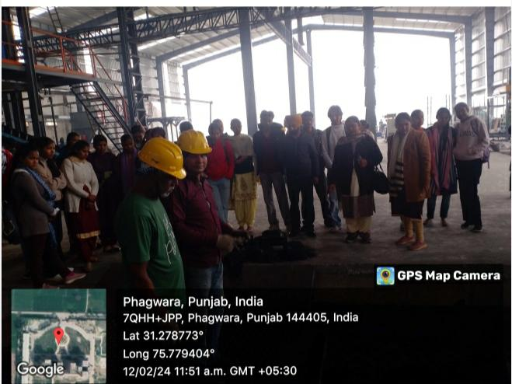
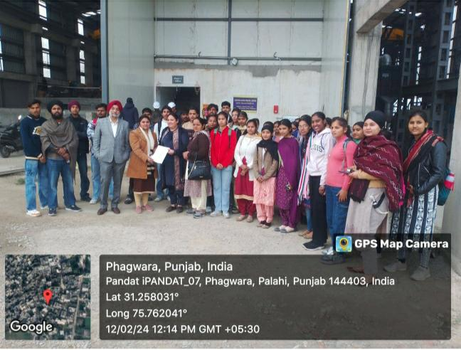
6 | Industrial visit to Dhak Khati, Phagwara | Innovation

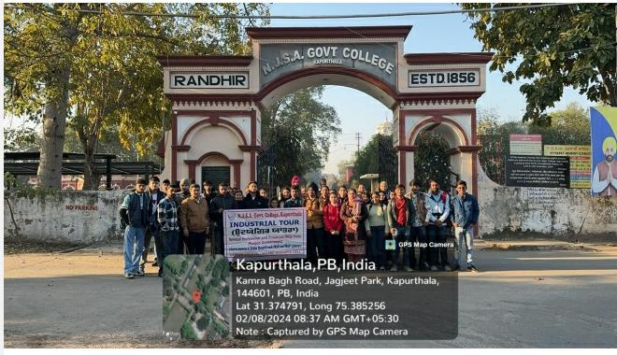
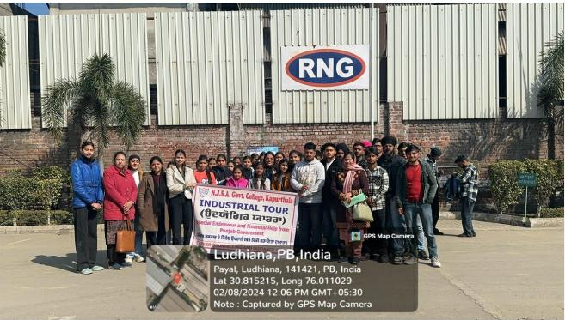
7 | Industrial visit to RNG Industery, Ludhiana | Innovation

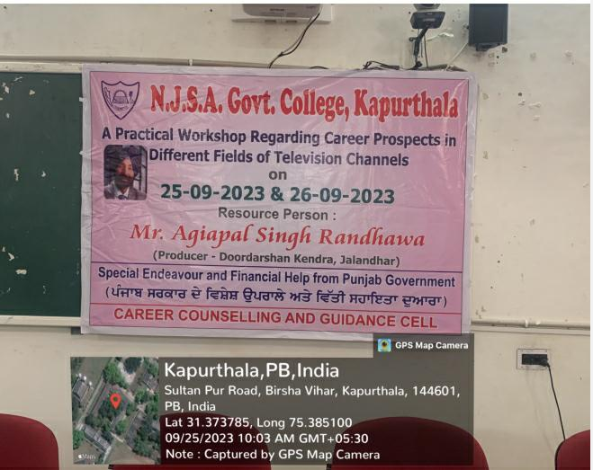
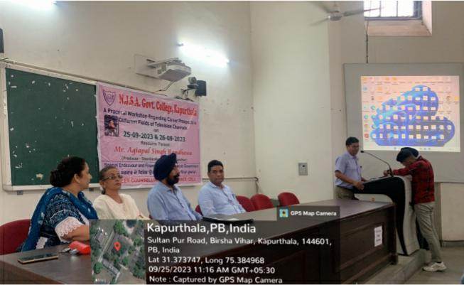
8 | Workshop on Career Prospects in different feilds of television | Innovation

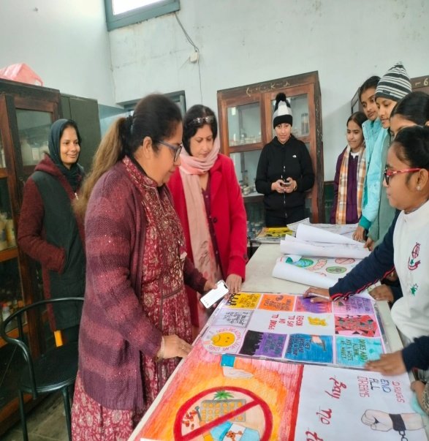
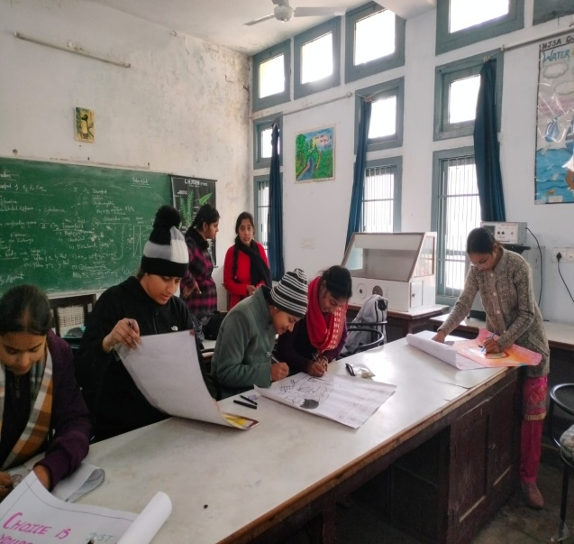
9 | Poster Making Competition | Indian Knowledge System

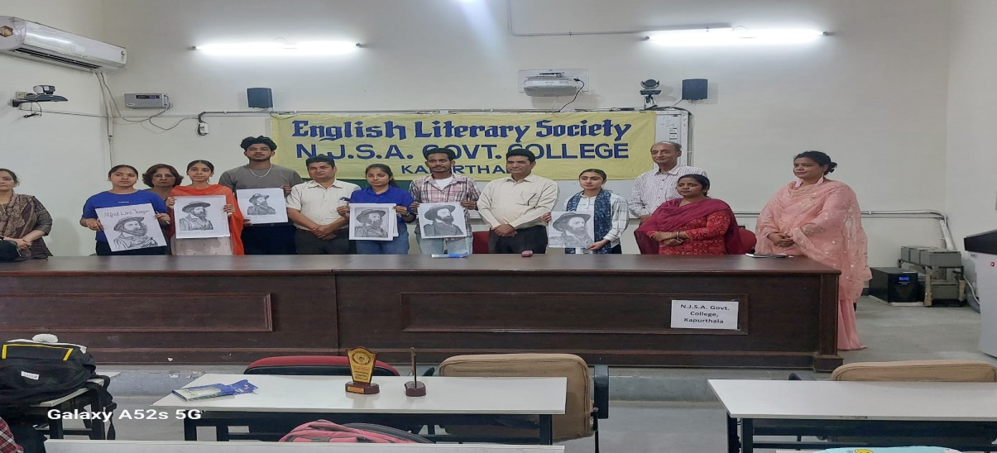
10 | Portrait Making Competition | Indian Knowledge System

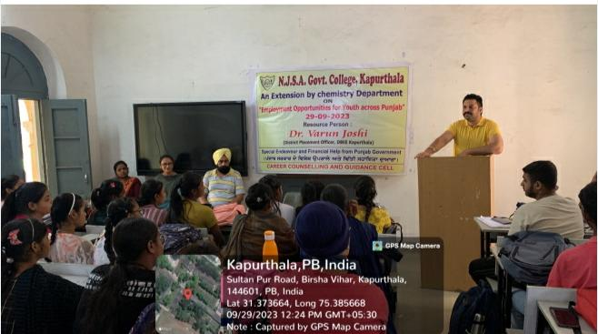
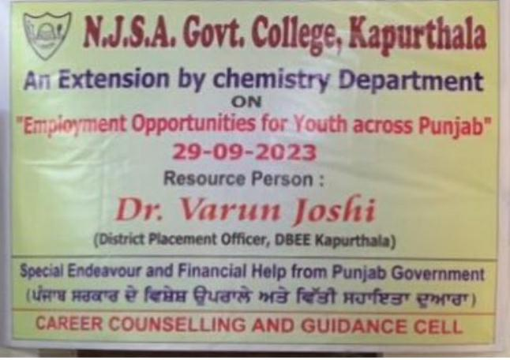
11 | Extension Lecture on Employment opportunities | Indian Knowledge System

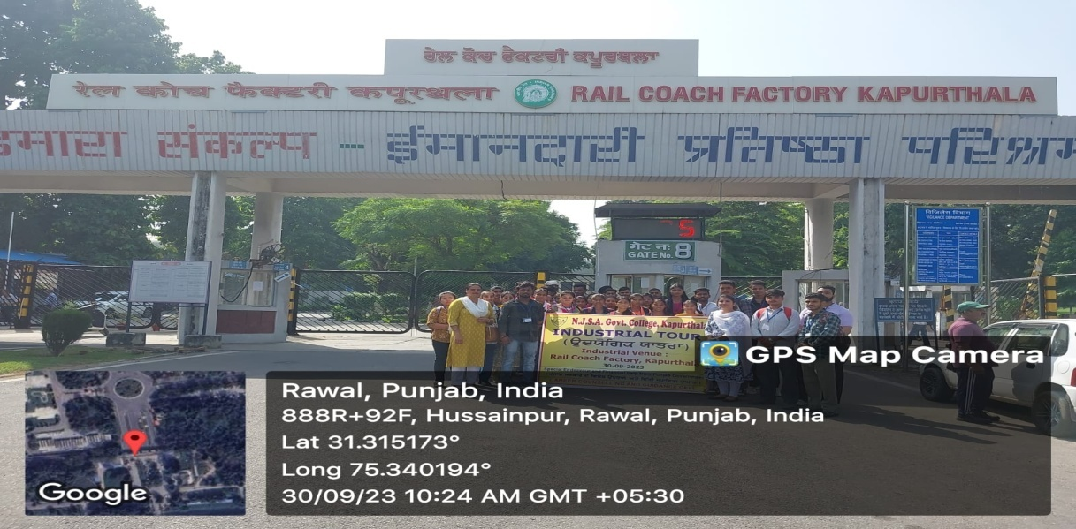
12 | Industrial Trip to RCF Kapurthala | Indian Knowledge System

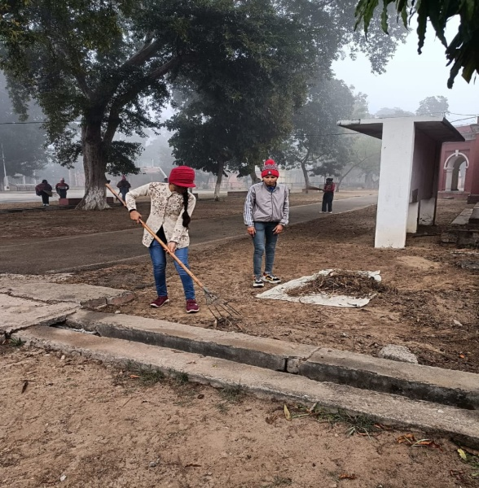
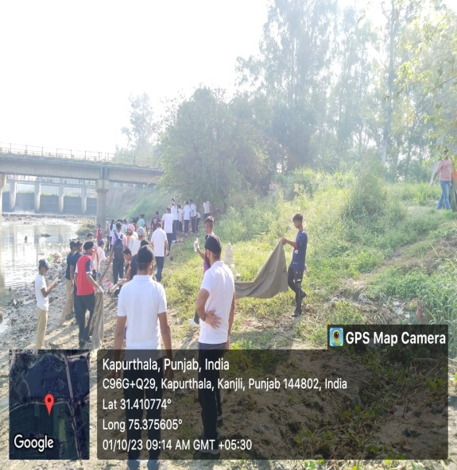
13 | Cleanliness Drive | Eco sytem

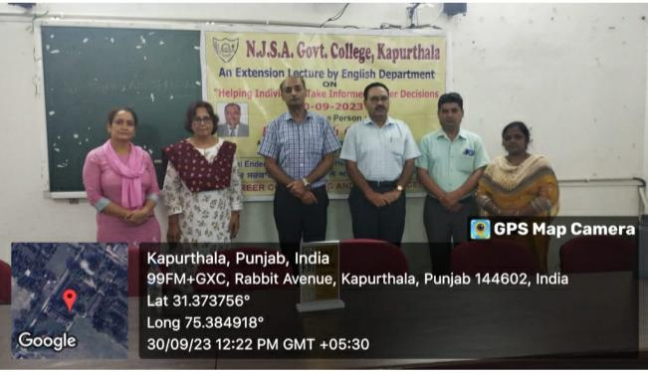
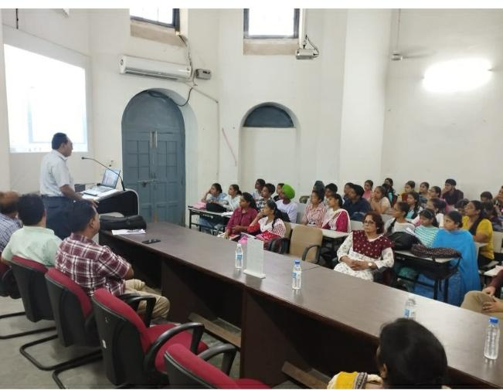
14 | Extension Lecture on Helping indviduals | innovation

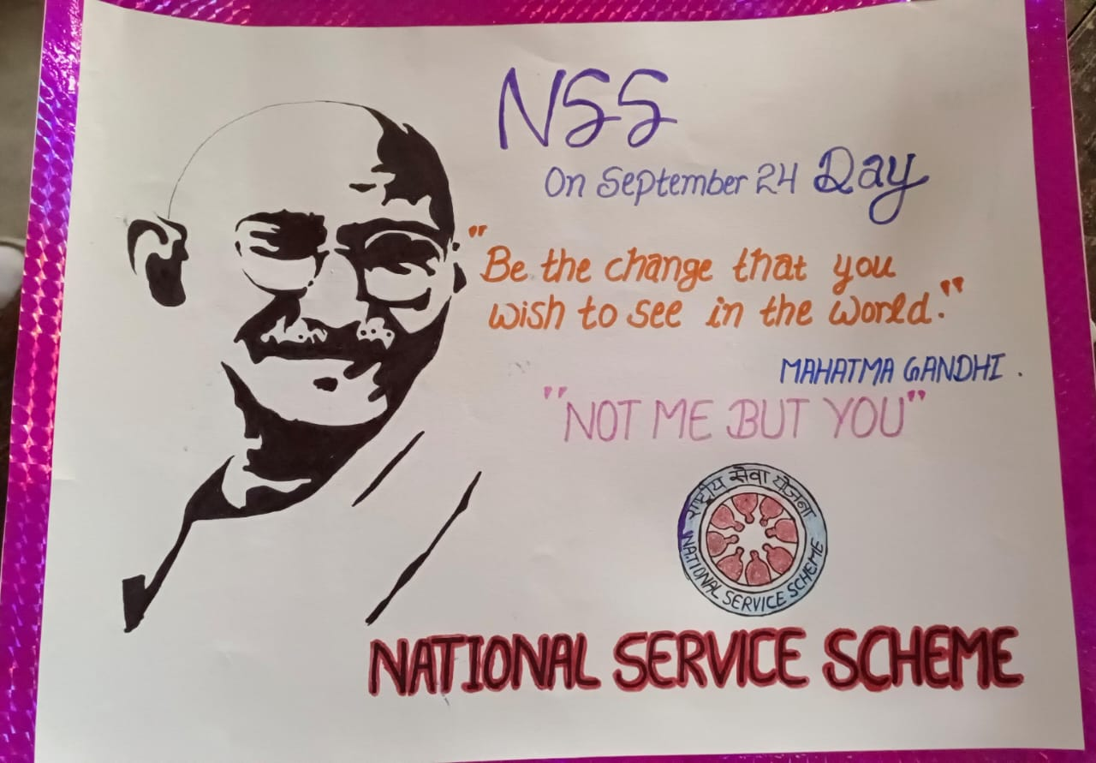
15 | Slogan Writing Competition | Indian Knowledge System

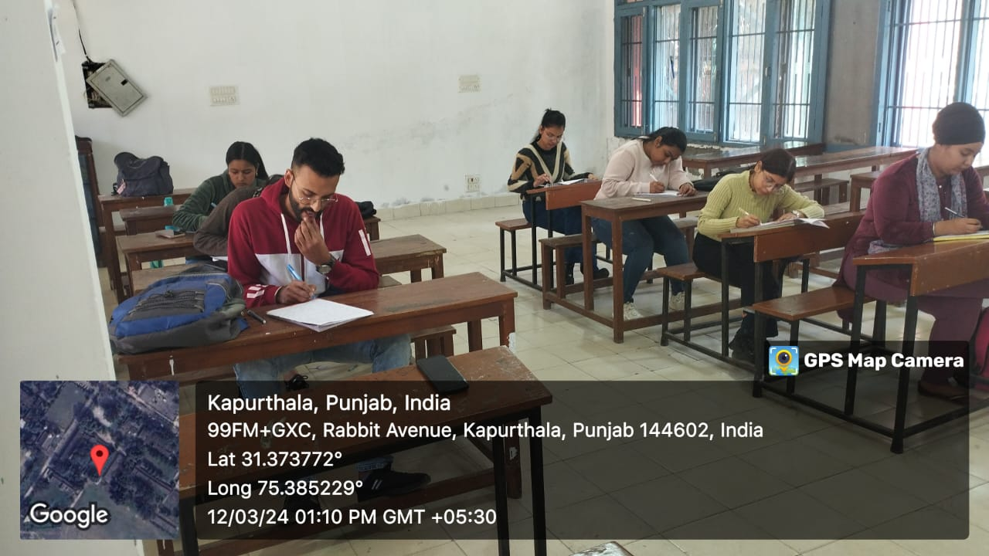
16 | Essay Writing Competition | Indian Knowledge System

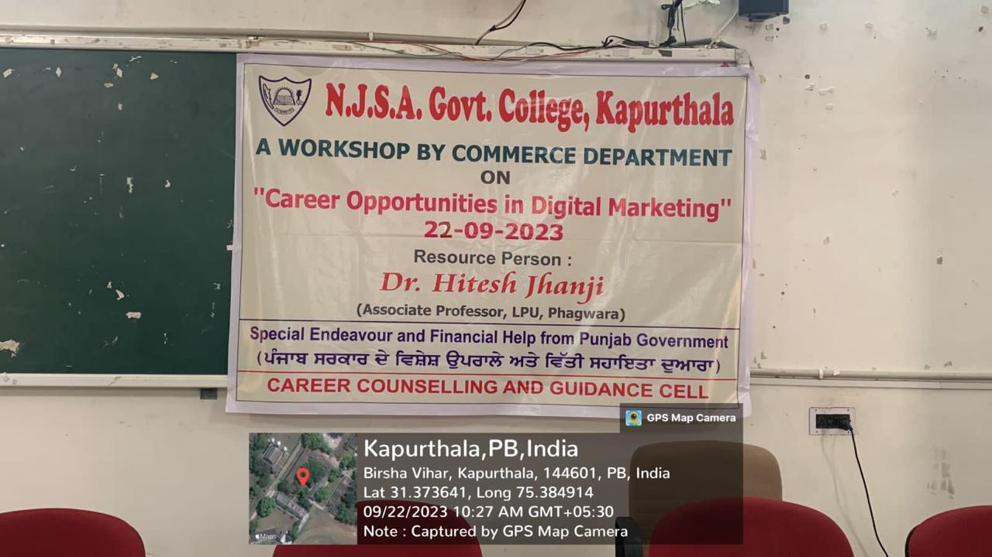
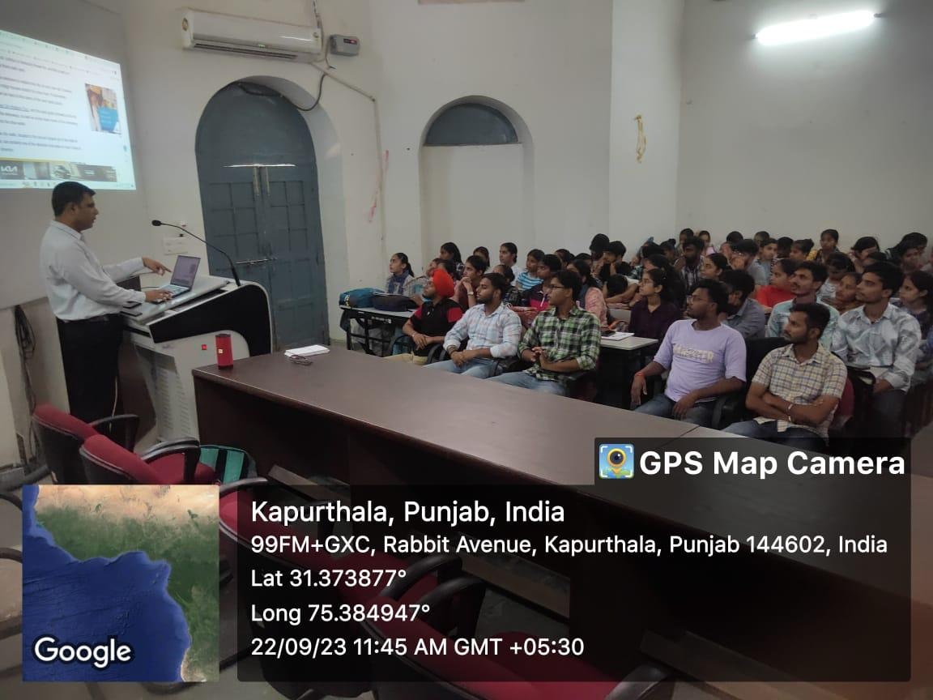
17 | Workshop on Creere opportunities in digital marketting | Innovation

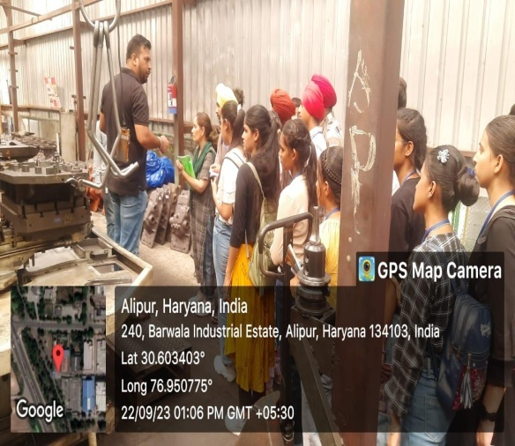
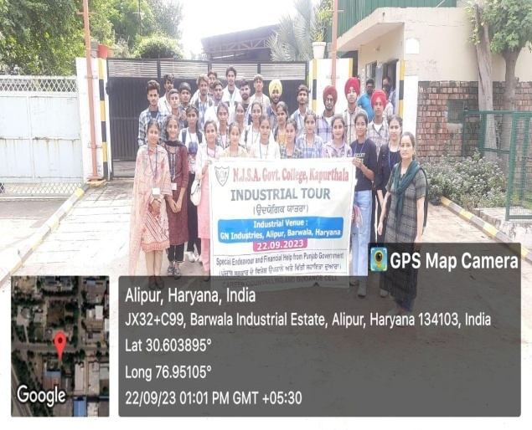
18 | Industrial trip to Alipur, Haryana | Innovation

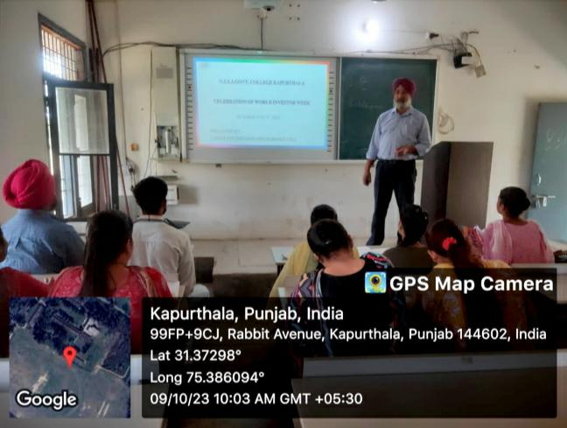
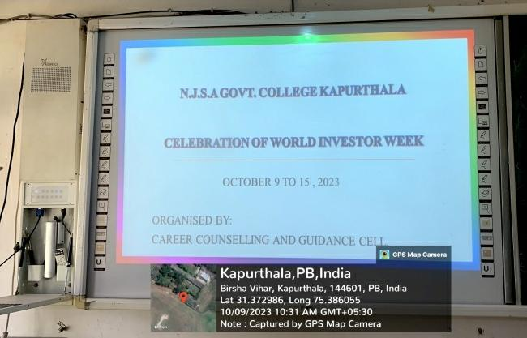

19 | World Invester's Week | Innovation

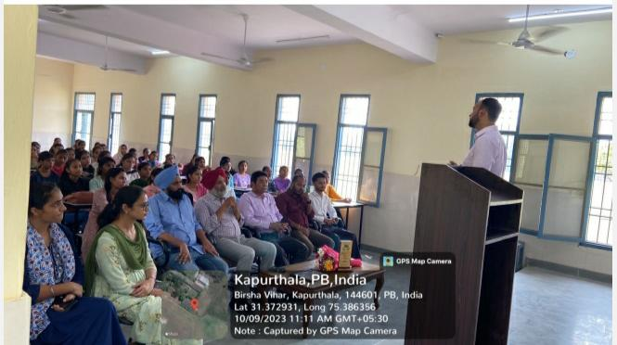
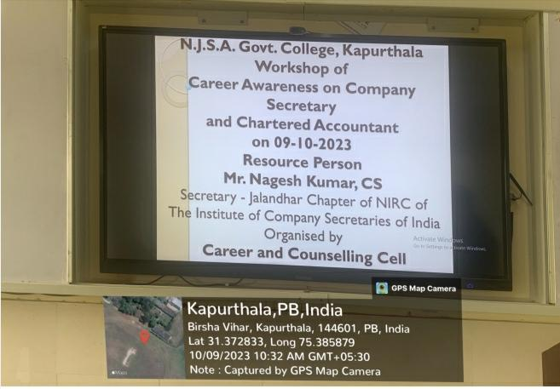
20 | Workshop of career awareness on company secretary | Innovation

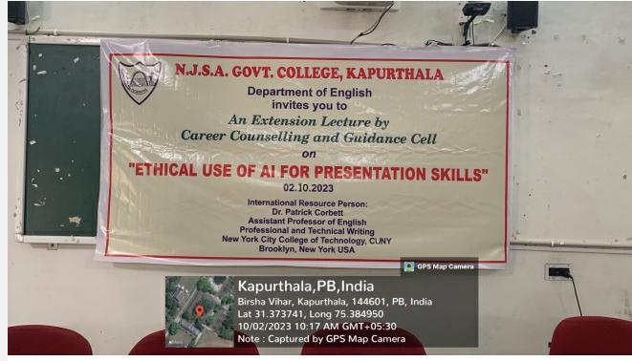
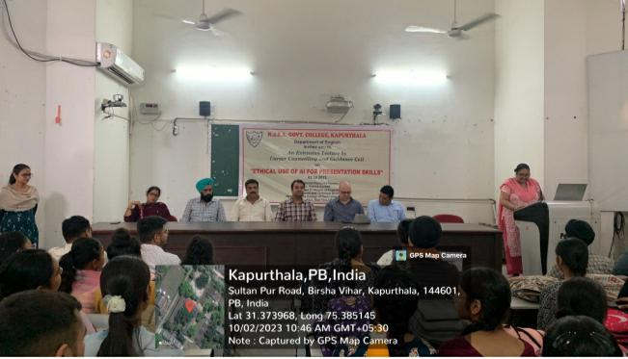
21 | Extention lecture on Ethical use of AI for presentation skills | Innovation

22 | Industrial trip to RN Gupta Industeries, Ludhiana | Innovation
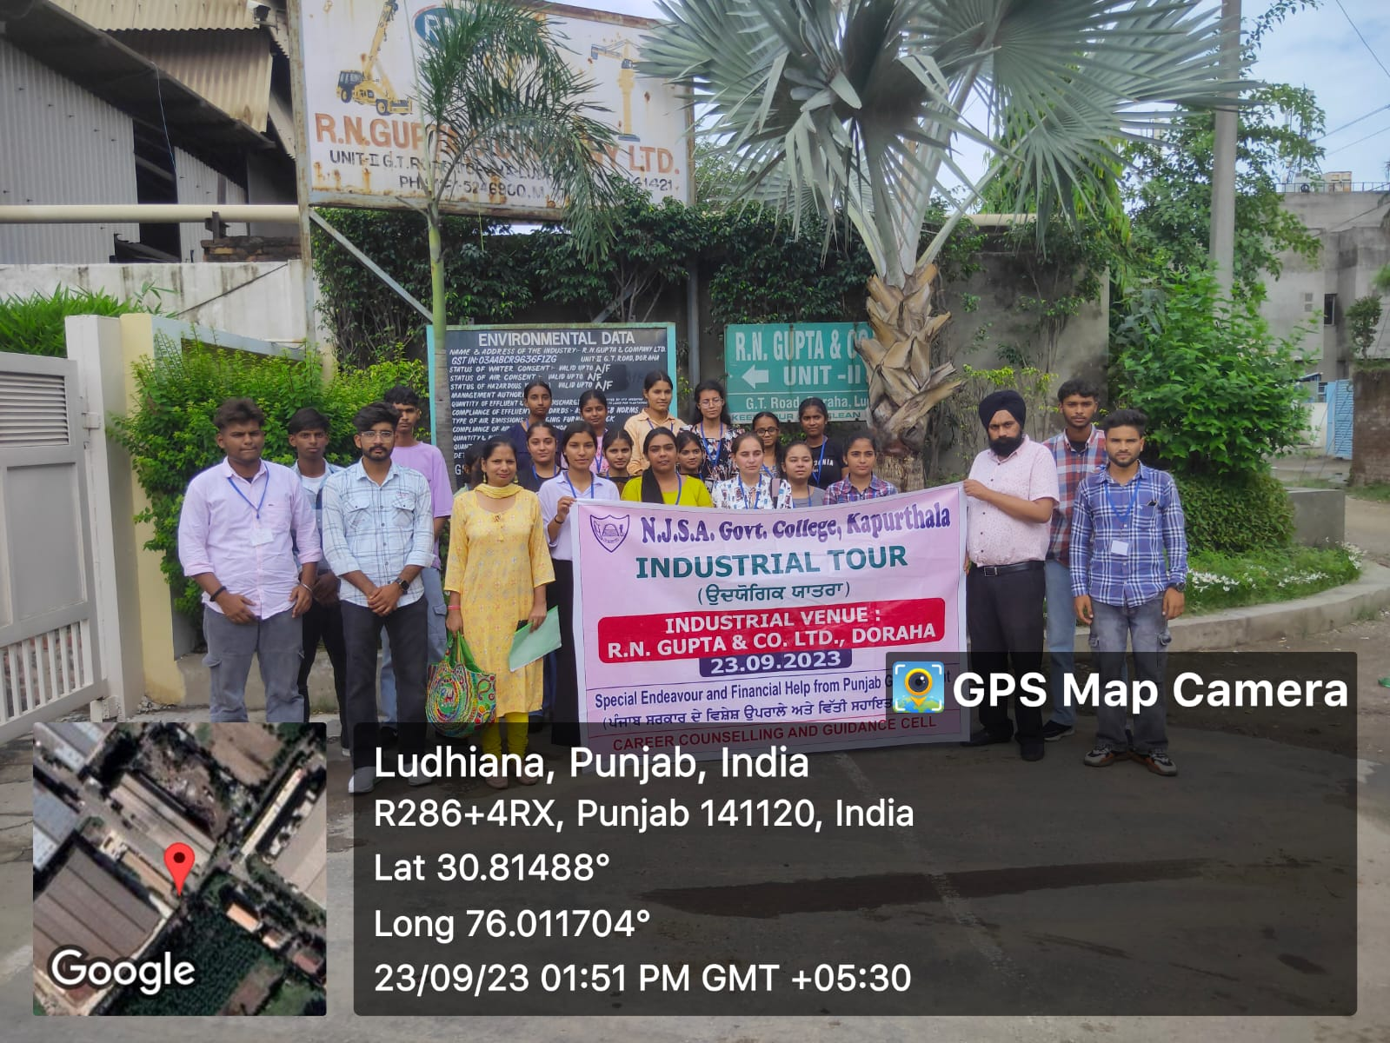

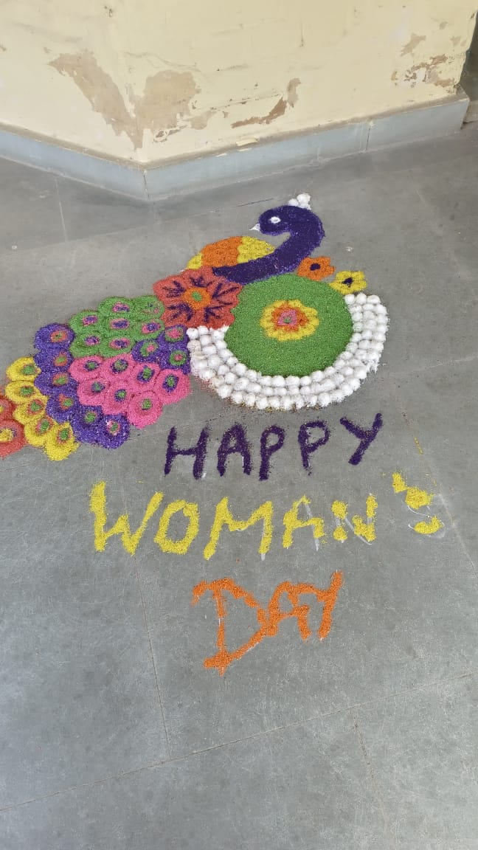
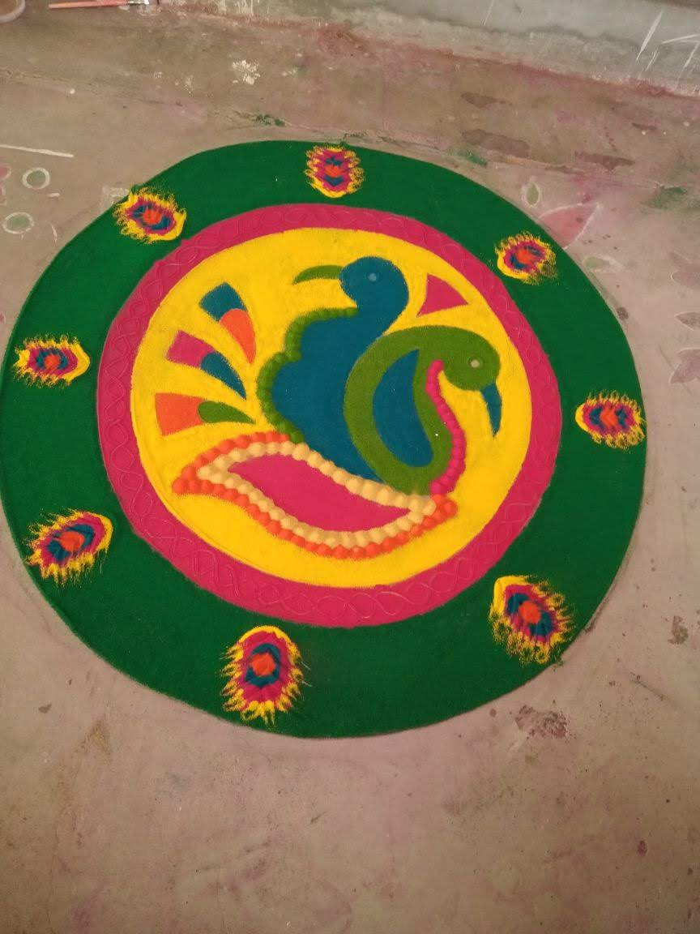
23 | Rangoli Competition | Indian Knowledge System

